Guidelines
 | Guidelines

PLEASE SEE BELOW GUIDELINES(PROCESS) TO BE FOLLOWED IN DEPLOYING APPROPRIATE ACOE COGNITIVE ASSETS
1
4
5

DISCOVERY
TECH EVALUATION
BUILD
2
ACOE
Business requirement evaluation (Checklist)
Technical feasibility study
Identify viable Product/Solution
Define solution
Define schedule & estimated cost
INNOVATION /SALES / BUSINESS
Set strategy , define success
Process discovery
Measure, Assess & Adjust
Cost Benefit Analysis
Reporting
ACOE / ITQA / PMO
Project Plan
Build, Configure & Deploy Bots
Integration to downstream systems
Bot training & fine-tuning
Hosting-Bot components (cloud/on-premise/Hybrid)
Go-Live Support
If Benefit exist in deploying the Cognitive Asset
Yes

3
If Approvals achieved from IT DPE, Global Account DPE, Infosec (CNX & Customer)
(Refer Approvals tab for more details)
Yes

6

Test & Deploy
BUSINESS / ACOE
Define Test plan
Build Test Cases
Perform Unit & Integration Test
Performance Test
Customer UAT , if UAT successful then Deploy in PROD

Note : Achieve Customer Approval before deploy
8
7

BUSINESS VALUE REALIZATION & REPORTING
BAU/PRODUCTION SUPPORT

INNOVATION
Define Value propositions
Cost Benefit Analysis
Continuous Improvement strategy
MI / Reports
BUSINESS / ACOE
Define SLA with customer
Periodic Health check up (Bots)
Prepare technical SOP (L1 & L2)
Maintain Incident Tracker/Reports
Change request management
(standard/normal/Major/Emergency change)

NOTE : IF THERE IS NO BENEFIT OR APPROVAL ACHIEVED(IN STEP 2 & 3) FROM APPROPRIATE INTERNAL & EXTERNAL STAKEHOLDERS(AS SPECIFIED IN APPROVALS SHEET) THEN THE PROPOSAL SHALL BE RE-EVALUATED BY INNOVATION/SALES/BUSINESS TEAMS

ACW Notes
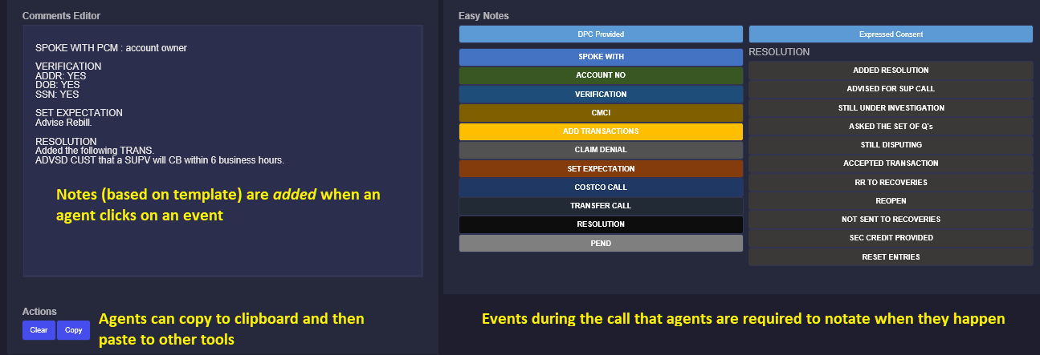
 |  |  | Cognitive Asset : ACW Notes |  | Take Me to Home Page

 | S.No | Categories | Questions | Response | Remarks
 | 1 | In Scope Countries , Business Areas / Teams | Please provide a requirement summary for ACW Notes |  | Provide high level requirements from building the ACW Notes say location, objective, use case/scenatio etc)
 | 2 |  | What are the in-scope countries & business areas/teams needed to be considered while deploying the ACW Notes? |  | In-scope Countries : For example : India, Indonesia, London, Dubai, Belfast, US etc ..In scope business areas example : Compliants teams/skill, Product Enquiry team etc
 | 3 | Access & User Details | If agents access client tools via Citrix AND they can't paste into Citrix, will the client allow access to the ACW tool's URL? |  | Select Yes or No. Yes - client tools are accessed via Citrix or virtual desktop; Select Other if unsure and then describe how agents access client tools under Note(s)
 | 4 |  | Otherwise, will the client allow CNX to allow access to the tool's URL? |  | If you answer No to the 1st question, then assumption is that the program is either on its own VLAN or restricted network maintained by CNX. Note: any access configuration (whitelisting, firewall changes) needs to be done by CNX. Select Yes if client will allow CNX to allow access to the tool's URL. If No, explain restrictions that are in place under Note(s).
 | 5 |  | Are there any restrictions that will prevent access to the tool's URL? |  | Select Yes or No. If Yes, explain any restrictions that will prevent access to the tool's URL under Note(s).
 |  |  | Can agents access the following web site? https://automation2.concentrix.com/ACWNotes/
 |  |  | Attach list of users slong with their CNX email ids who needs to be given access to agent user interface of ACW Notes. Please furnish details in "User Details.xls" enclosed along with this sheet
 | 6 | Security | Will the client allow the tool to store additional data can be used for performance measurement (still no PII data)? By default, we only store the number of times agents clicked copy and the total time for each copy session. |  | The tool can optionally store non-PII data for performance measurement. Select Yes if the client will allow this. Otherwise, you MUST select No.
 | 10 | Volumetric | Please provide details around Concurrent User Count. Please furnish details in "User Details.xls" enclosed along with this sheet
 | 11 |  | Please provide details on current AHT(in seconds) including ACW
 | 12 |  | Please provide details in current AHT only for After Call Works carried out by Agents
 | 13 |  | Please provide details around the total volumes (voice & non-voice) related those are handled by Agents to whom these ACW Notes to be implemented.
 |  | ACW Notes View "1.Call Type" or "2. Call Event" | Is the agents' notes taking by call type or by call events?
 | 15 |  | There are 2 types of views available in ACW Notes i) by Call Type & ii) Call Events. Please identify which view is appropriate. |  | Provide details in appropriaet spreadsheet if the chosed view is either "Call Type" or "Call Events" (fill details in any of the sheet depending upon the chosen view)
 | 15.1 |  | For example, if you would like to chose the view by i) Call Type then please provide requirement details in the spreadsheet "ACW Notes Checklist_By Call Type_0.1.xls" enclosed along with this sheet
 | 15.2 |  | For example, if you would like to chose the view by ii) Call Events then please provide requirement details in the spreadsheet "ACW Notes Checklist_By Call Events_0.1.xls" enclosed along with this sheet

 |  |  | Note : For your convenience in filling the data in the below spreadsheets, I have also attached “sample data illustration sheet” in both the below spreadsheets . This sheet will have sample data to fill data in the checklist appropriately.

 |  |  | (By Call Type) (By Call Events)

 | Additional Instructions
 | For Q.No. 3 |  | Does the program access client tools via Citrix or virtual desktop? | Select Yes or No. Yes - client tools are accessed via Citrix or virtual desktop; Select Other if unsure and then describe how agents access client tools under Note(s)
 | For Q.No. 3 |  | If Citrix/virtual desktop, will the client allow access to the tool's URL? | If client tools are accessed within Citrix or virtual desktop, select Yes if the client will allow access to the tool's URL. If No, explain restrictions that are in place under Note(s). Note: any access configuration (whitelisting, firewall changes) needs to be done by the client.
 | For Q.No. 4 |  | Otherwise, will the client allow CNX to allow access to the tool's URL? | If you answer No to the 1st question, then assumption is that the program is either on its own VLAN or restricted network maintained by CNX. Note: any access configuration (whitelisting, firewall changes) needs to be done by CNX. Select Yes if client will allow CNX to allow access to the tool's URL. If No, explain restrictions that are in place under Note(s).
 | For Q.No. 5 |  | Are there any restrictions that will prevent access to the tool's URL? | Select Yes or No. If Yes, explain any restrictions that will prevent access to the tool's URL under Note(s).
 | For Q.No. 6 |  | Will the client allow the tool to store additional data can be used for performance measurement (still no PII data)? | The tool can optionally store non-PII data for performance measurement. Select Yes if the client will allow this. Otherwise, you MUST select No.
 | For Q.No. 7 |  | Can agents access the following web site? https://automation2.concentrix.com/ACWNotes | Have an agent try to access the provided tool's URL. Select Yes if the agent can access it. Otherwise, select No and then provide the error message received under Note(s).
 | For Q.No. 8 |  | Is the agents' notes taking by call type or by CALL TYPE? | Agents are required to enter only 1 set of notes based on call type and/or call sub-type. There are different notes template per call type and/or call sub-type.
 | For Q.No. 8 |  | Is the agents' notes taking by call type or by CALL EVENTS? | From the start of the call until the end, agents are required to notate critical events that happened during the call, e.g. agent spoke with account owner, agent verified identity via PIN, agent performed <a specific transaction> for customer, agent ended the call with a <specific resolution code>, etc.
 |  |  | CONFIGURATION REQUIREMENTS FOR NOTES BY CALL TYPE | Notes by Call Type: agents are required to follow a specific template based on the call type (or call sub-type, if any). One template is defined per call type and sub-type.

 |  |  | TASK TEMPLATE (AKA CALL TYPE)
Instructions for filling Call Type related Spreadsheet enclosed |  |  | TASK_ID | Enter a sequential number starting from 1. Every row must have unique number.
 |  |  | TASK_NAME | Enter a descriptive name for the task (call type).
 |  |  | ACTION TEMPLATE (AKA CALL SUB-TYPE)
 |  |  | ACTION_ID | Enter a sequential number starting from 1. Every row must have unique number.
 |  |  | ACTION_NAME | Enter a descriptive name for the action (call sub-type).
 |  |  | TASK_ID | Enter the ID of the parent task (or call type).
 |  |  | COMMENTS TEMPLATE (AKA NOTES TEMPLATE)
 |  |  | COMMENT_ID | Enter a sequential number starting from 1. Every row must have unique number.
 |  |  | COMMENT_NAME | Enter a descriptive name for the comments template (notes template).
 |  |  | COMMENT | Enter the template for the notes. Important: a place holder must be specified for any data that needs to be entered by the agent. Placeholders are denoted by the place holder name, delimited by caret ("^"), e.g. Spoke with account owner, ^Customer Name^ (dynamically generated notes will be replaced by "Spoke with account owner, Chris".
 |  |  | ACTION_ID | Enter the ID of the parent action (or call sub-type). This template will be used when the agent selects this particular action (or call sub-type).
 |  |  | KEYWORD MAPPING
 |  |  | COMMENT_KEYWORD_ID | Enter a sequential number starting from 1. Every row must have unique number.
 |  |  | ACTION_ID | Enter the ID of the parent action (or call sub-type). This indicates the particular action (or call sub-type) that this keyword is used.
 |  |  | COMMENT_TEXTBOXNAME | Enter the place holder name, delimited by caret ("^"). This must exactly be the same as placeholders specified in comments template.
 |  |  | NOTE BY CALL EVENTS TEMPLATE | Optionally, a checklist can be displayed for every call sub-type. This is a To Do list that agents can refer to while handling calls.
Instructions for filling Call Events related Spreadsheet enclosed
 |  |  | CALL_EVENT | Enter descriptive text to be displayed for the parent call event.
 |  |  | CALL_SUB_EVENT | Enter descriptive text to be displayed for the call sub-event.
 |  |  | COMMENT | Enter the template for the notes. Important: a place holder must be specified for any data that needs to be entered by the agent. Placeholders are denoted by the place holder name, delimited by caret ("^"), e.g. Spoke with account owner, ^Customer Name^ (dynamically generated notes will be replaced by "Spoke with account owner, Chris".
 |  |  | (OPTIONAL) CHECKLIST TEMPLATE (AKA TO DO LIST) | Optionally, a checklist can be displayed for every call sub-type. This is a To Do list that agents can refer to while handling calls.

 |  |  | CHECKLIST_ID | Enter a sequential number starting from 1. Every row must have unique number.
 |  |  | CHECKLIST_ITEM | Enter the descriptive text to be displayed as a checklist item (to do item).
 |  |  | ACTION_ID | Enter the ID of the parent action (or call sub-type). This indicates the particular action (or call sub-type) that this checklist item (to do item) is used.

Messaging Bot
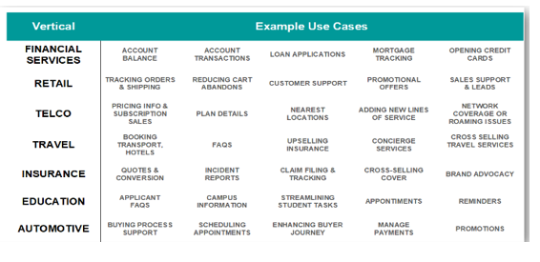
 |  | Cognitive Asset : Messaging Bot |  | Take Me to Home Page

S.No | Categories | Questions | Response | Remarks
1 | In Scope Countries , Business Areas / Teams | Please provide a requirement summary for Messaging Bots |  | Provide high level requirements from building the Messaging Bots say location, objective, use case/scenatio etc)
2 |  | What are the in-scope countries & business areas/teams needed to be considered while deploying the Messaging Bots |  | In-scope Countries : For example : India, Indonesia, London, Dubai, Belfast, US etc ..In scope business areas example : Compliants teams/skill, Product Enquiry team etc
3 | Channels,Location & Volumetric | What existing channels does your business operate with |  | Inbound, outbound, email, chat, social, SMS
4 |  | What is the minimum FTE on Voice channels |  | Share sample numbers like 10 FTE etc.; (if they are shared resources across channels please add the total FTE for each channel)
5 |  | What is the minimum FTE on Non Voice channels |  | Share sample numbers like 10 FTE etc.; (if they are shared resources across channels please add the total FTE for each channel)
6 |  | How many locations do you operate from |  | Locations could be 1-many; combination of Concentrix & client sites (if the volumes from other sites need to be included for messaging)
7 |  | How many languages do you support |  | Please call out each language supported
8 |  | What are the monthly volumes on Voice channels |  | Share average volume
9 |  | What are the monthly volumes on Non Voice channels |  | Share average volume
10 | Self-Service details (IVR,Digital Assiatant & Mobile) | Which IVR does your business leverage |  | Share IVR type - genesys, Avaya
11 |  | Does your business use a self serve IVR |  | Add yes, no comments.. Can customer's opt for self help or do they wait in IVR queues for all queries
12 |  | Does your business have a digital assistant |  | Share if you have a bot enabled user to support self serve queries / or perform basic tasks
13 |  | If Point 9 is a yes, what volumes are supported by the digital assistant |  | Share the volume capacity or channels you leverage digital assistant on
14 |  | Do you send proactive notifications via email, SMS today? |  | Add yes, no with comments
15 |  | Do customer's engage through mobile apps |  | Add yes, no with comments
16 |  | Does your business have a Facebook account |  | Add yes, no with comments
17 | Queries & Notification | What type of queries are you looking at being served through messaging |  | Add scenarios or call driver types - e.g. - Follow up calls, payment reminder, health care prescription etc.…
18 |  | Are you looking at messaging notifications only - notifications with self serve bots only |  | This model does not have live agents supporting the platform Add yes, no with comments
19 |  | Are you looking at messaging with notifications & live agent support for follow through chats |  | This model includes live agents supporting the platform along with self serve bots to close incomplete interactions Add yes, no with comments
20 | Miscellaneous | Do you have a preference to use a specific messaging channel |  | E.g. - WhatsApp, SMS, Facebook messenger, in- app messaging etc.…
21 |  | Could you share some sample scenarios that need to be added to messaging |  | Please refer to the table below for assistance

